Sheet1
Credits Supported Calculator | Lecture | Seminar | Discussion | Design Studio | Lab with little/no preparation | Lab with significant preparation | Studio | Practicum | Field | Independent Study | Internship | Presentation | Project | Research | Clinic
Instructional Hour duration | 50 | 50 | 50 | 50 | 50 | 50 | 50 | 50 | 60 | 60 | 60 | 60 | 60 | 60 | 60
Minutes of instruction per credit | 750 | 750 | 750 | 750 | 2250 | 1500 | 1500 | 1500 | 2400 | 2400 | 2400 | 2400 | 2400 | 2400 | 2400
Meeting Duration in minutes (per day)
Number of Meetings/Week
Number of weeks
Credits supported | 0 | 0 | 0 | 0 | 0 | 0 | 0 | 0 | 0 | 0 | 0 | 0 | 0 | 0 | 0

Class association total credits | 0

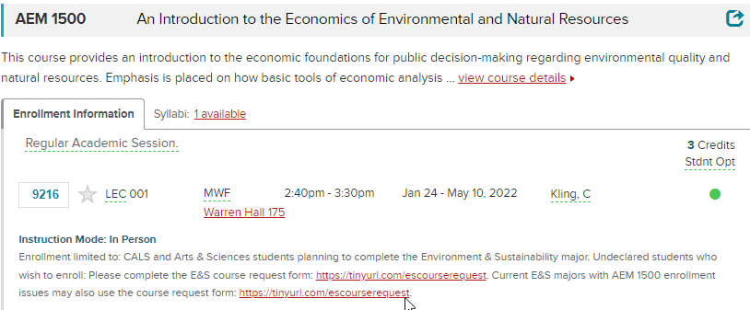
EXAMPLE: AEM 1500 | Lecture
Instructional Hour duration | 50
Minutes of instruction per credit | 750
Meeting Duration in minutes (per day) | 50
Number of Meetings/Week | 3
Number of weeks | 15
Credits supported | 3

Class association total credits | 3

